Sheet1
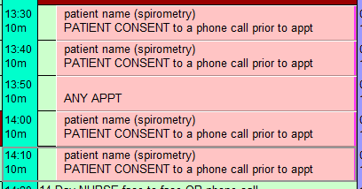
 |  | Welhat Enhanced Access - Clinician Scope
 |  | Clinician Name/Role
Procedure | No. of Slots | Marie McCann Practice Nurse | Heather Pytches Nurse Practitioner | Ruth Reilly Nurse Practitioner | Jay Vekaria Pharmacist Practitioner | Anil Tosar Pharmacist | Riana Gandecha Pharmacist | Prahlad Katechia Pharmacist | Kruti Shah Pharmacist | Raj Sharma Pharmacist
NEW Contraceptive Pill | Double | N | Y | Y | N | N | N | N | N
SPIROMETRY | double, then leave single appt free then another double see overleaf for example | Y | Y | Y | N | N | N | N | N
Repeat Pill | Single | N | Y | Y | Y | N | Y | Y | Y
Emergency Contraception | Single | N | Y | Y | Y | N | N | N | N
Asthma checks | Double | Y | Y | Y | Y | Y | Y | Y | N
FeNo | Double | Y | Y | N | N | N | N | N | N
Blood pressure | Single | Y | Y | Y | Y | Y | Y | Y | Y
COPD | Double | N | Y | Y | Y | N | N | N | N
Diabetes review | Double | N | Y | Y | Y | N | N | N | Y
Minor illness | Single | N | Y (>2 years) | Y (>2 years) | Y (>2 years) | N | N (training) | N | N
Medication review | Single | N | N | Y | Y | Y | Y | Y | Y
Removal of sutures | Double | Y | Y | Y | N | N | N | N | N
ECG | Triple (EMIS SURGERIES TO BOOK REVIEW APPT IN OWN SURGERY) | Y | Y | Y | N | N | N | N | N
Dressing | Double | Y | Y | Y | N | N | N | N | N
NEW HRT | Double | N | N | N | N | N | N | N | N
HRT ongoing | Single | N | N | N | Y | N | Y | N | N
Cervical screening | Double | Y | Y | Y | N | N | N | N | N

PLEASE DO NOT BOOK ANY MENTAL HEALTH PATIENTS WITH NURSES OR PHARMACISTS.
PLEASE ADVISE PATIENTS TO BRING OWN DRESSING FOR COMPLEX DRESSINGS EG PACKING ETC.
PLEASE ENSURE CONSENT TO SHARE IS SET ON S1 PATIENTS' RECORDS OTHERWISE WE CANNOT VIEW FROM HUB |  |  |  |  |  | Laura 07518 267654 REVIEWED Feb 2025

